EDX
EDX of EKKSC Materials for Semiconductor
SEM/EDS Scan: EKKSC Superior® 298 (FFKM)
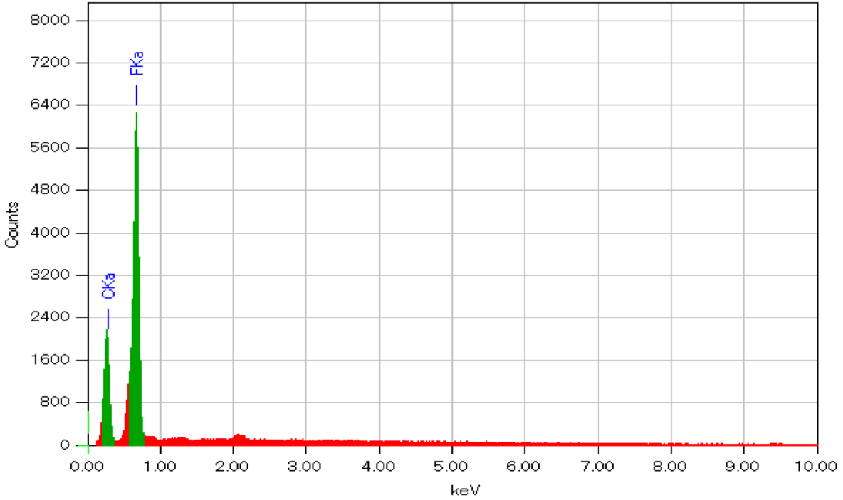
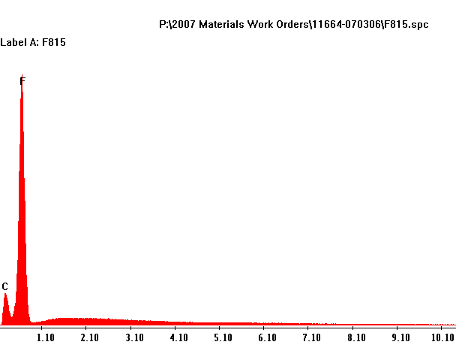
SEM/EDS Scan: EKKSC Superior® F815 (FKM)
 | Figure 1

 | SEM/EDS Scan of CD486

 | Figure 2

 | Figure 3

 | SEM/EDS Scan of CD488

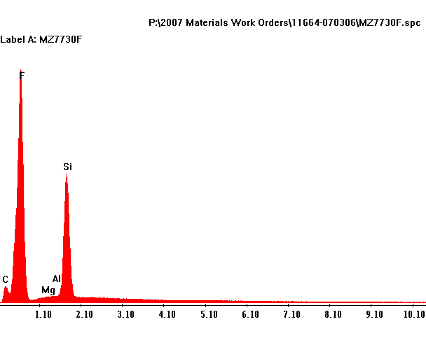
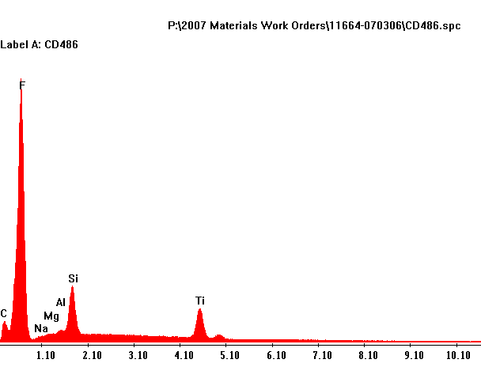
SEM/EDS Scan: EKKSC Superior® 486 (FFKM)
SEM/EDS Scan: EKKSC Superior® 508 (FFKM)
 | Figure 4

 | SEM/EDS Scan of CD489

 | Figure 5

 | SEM/EDS Scan of SZ495

 | Figure 6

 | SEM/EDS Scan of SZ498

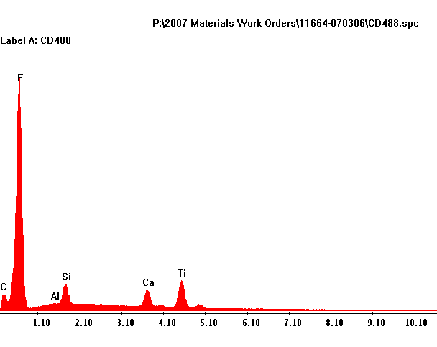
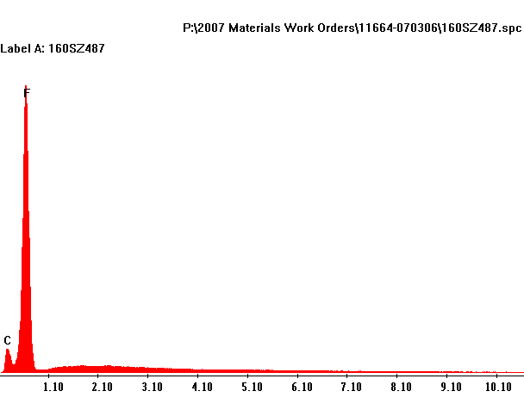
SEM/EDS Scan: EKKSC Superior® 487 (FFKM)
SEM/EDS Scan: EKKSC S Superior® 488 (FFKM)
 | Figure 7

 | SEM/EDS Scan of CD499

 | Figure 8

 | SEM/EDS Scan of Superior F815

 | Figure 9

 | SEM/EDS Scan of Superior F850

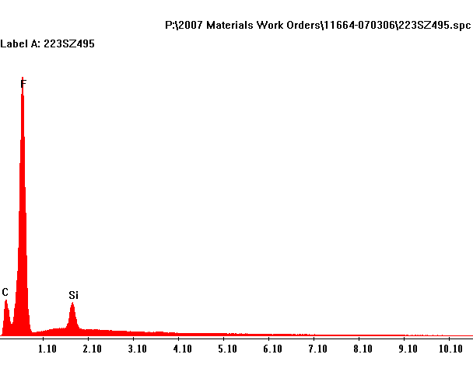
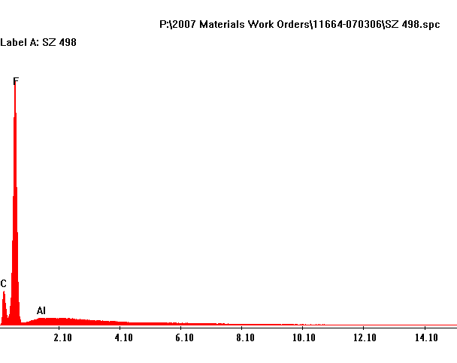
 | Figure 10
SEM/EDS Scan: EKKSC Superior® 495 (FKM)
SEM/EDS Scan: EKKSC Superior® 498 (FKM)
 | SEM/EDS Scan of V75

 | Figure 11

 | SEM/EDS Scan of V75WH
 | Figure 12

 | SEM/EDS Scan of CV75WH

 | Figure 13

 | SEM/EDS Scan of F70

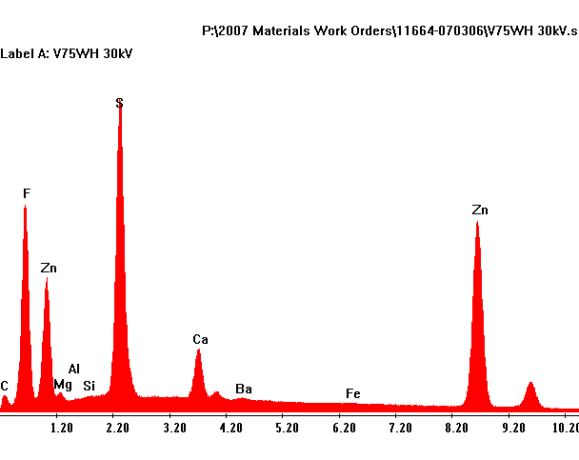
SEM/EDS Scan: EKKSC SUPERIOR® V75WH (FKM)
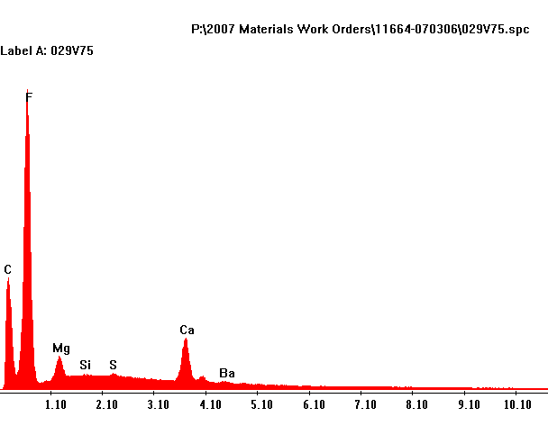
SEM/EDS Scan: EKKSC SUPERIOR® V75 (FKM)
 | Figure 14

 | SEM/EDS Scan of FAX4020

 | Figure 15

 | SEM/EDS Scan of MZ7730F

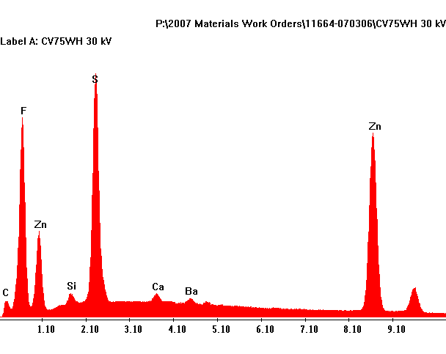
SEM/EDS Scan: EKKSC SUPERIOR® CV75WH (FEPM)
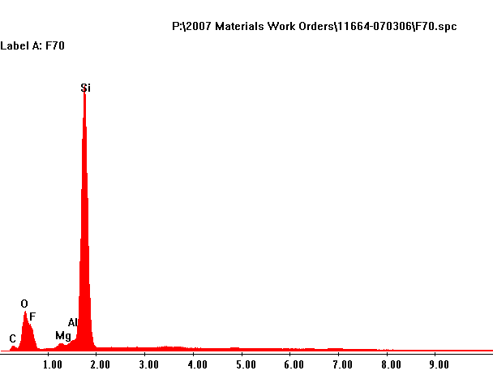
SEM/EDS Scan: EKKSC SUPERIOR® F70 (FVMQ -BLue)

Gland Design-Static Dovetail
Trapezoidal (Dovetail) Vacuum - Static Glands
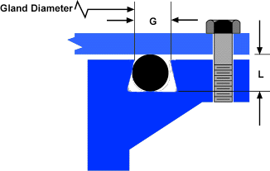
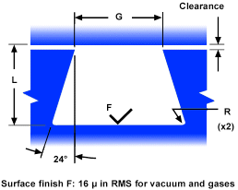

Surface Finish 16µ in RMS for Vacuum

General Guidelines for Gland Dimension
O-ring Size | CSD/Width (in) | L - Depth (in) | G - Width (in)* | Radius (in)
AS568-000 | 0.070 +/- 0.003 | - | - | -
AS568-100 | 0.103 +/- 0.003 | 0.080 +/- 0.003 | 0.090 +/- 0.003 | 0.005 - 0.015
AS568-200 | 0.139 +/- 0.004 | 0.110 +/- 0.004 | 0.125 +/- 0.004 | 0.010 - 0.031
AS568-300 | 0.210 +/- 0.005 | 0.170 +/- 0.005 | 0.180 +/- 0.005 | 0.015 - 0.031
AS568-400 | 0.275 +/- 0.006 | 0.225 +/- 0.005 | 0.240 +/- 0.005 | 0.015 - 0.063

O-ring Size | CSD/Width (mm) | L - Depth (mm) | G - Width (mm)* | Radius (mm)
AS568-000 | 1.78 +/- 0.08 mm | - | - | -
AS568-100 | 2.62 +/- 0.08 mm | 2.29 +/-0.08 mm | 2.03 +/-0.10 mm | 0.13 - 0.38
AS568-200 | 3.53 +/- 0.10 mm | 318 +/-0.10 mm | 2.79 +/-0.10 mm | 0.25 - 0.79
AS568-300 | 5.33 +/- 0.13 mm | 4.57 +/-0.13 mm | 4.32 +/-0.13 mm | 0.38 - 0.79
AS568-400 | 6.99 +/- 0.15 mm | 6.10 +/-0.13 mm | 5.72 +/-0.13 mm | 0.38 - 1.60

* Gland Width before cutting Radius

Gland Design Parameters
1) ID Interference (Stretch) |  | Max
Standard FKM, FVMQ, VMQ |  | 10%
FFKM, Special FKM |  | 3.50%

2) Compression Squeeze |  | Min >=0.1mm

3) Compression Ratio
Standard FKM, FVMQ, VMQ |  | Max<=30%, Min>=10%
FFKM, Special FKM |  | Max<=25%, Min>=10%

4) Fill Ratio |  | Max = MAX 90%
 |  | Min = MIN 50%

Gland Design-Static Axial
Axial Vacuum - Static Glands
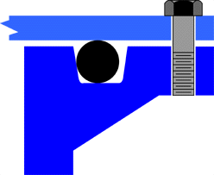
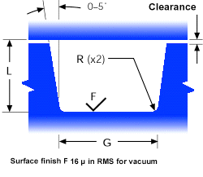

Surface Finish 16µ in RMS for Vacuum

General Guidelines for Gland Dimension
O-ring Size | CSD/Width (in) | L - Depth (in) | G - Width (in) | Radius (in)
AS568-000 | 0.070 +/- 0.003 | 0.048 +/- 0.002 | 0.095 +/- 0.005 | 0.005 - 0.015
AS568-100 | 0.103 +/- 0.003 | 0.076 +/- 0.004 | 0.145 +/- 0.005 | 0.005 - 0.015
AS568-200 | 0.139 +/- 0.004 | 0.105 +/- 0.005 | 0.185 +/- 0.005 | 0.010 - 0.026
AS568-300 | 0.210 +/- 0.005 | 0.170 +/- 0.005 | 0.285 +/- 0.005 | 0.020 - 0.036
AS568-400 | 0.275 +/- 0.006 | 0.225 +/- 0.005 | 0.375 +/- 0.005 | 0.020 - 0.036

O-ring Size | CSD/Width (mm) | L - Depth (mm) | G - Width (mm) | Radius (mm)
AS568-000 | 1.78 +/- 0.08 mm | 1.22 +/- 0.05 mm | 2.41 +/-0.13 mm | 0.12 - 0.38
AS568-100 | 2.62 +/- 0.08 mm | 1.93 +/- 0.10 mm | 3.68 +/-0.13 mm | 0.12 - 0.38
AS568-200 | 3.53 +/- 0.10 mm | 2.67 +/- 0.13 mm | 4.70 +/-0.13 mm | 0.26 - 0.66
AS568-300 | 5.33 +/- 0.13 mm | 4.32 +/- 0.13 mm | 7.24 +/-0.13 mm | 0.51 - 0.91
AS568-400 | 6.99 +/- 0.15 mm | 5.72 +/- 0.13 mm | 9.53 +/-0.13 mm | 0.51 - 0.91

Gland Design Parameters
1) ID Interference (Stretch) |  | Max
Standard FKM, FVMQ, VMQ |  | 10%
FFKM, Special FKM |  | 3.50%

2) Compression Squeeze |  | Min >=0.1mm

3) Compression Ratio
Standard FKM, FVMQ, VMQ |  | Max<=35%, Min>=10%
FFKM, Special FKM |  | Max<=25%, Min>=10%

4) Fill Ratio |  | Max = MAX 90%
 |  | Min = MIN 50%

Gland Design-Static Radial
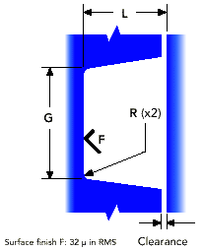
Radial - Static Glands


Surface Finish 32µ in RMS

General Guidelines for Gland Dimension
O-ring Size | CSD/Width (in) | L - Depth (in) | G - Width (in) | Radius (in)
AS568-000 | 0.070 +/- 0.003 | 0.052 +/- 0.003 | 0.095 +/- 0.005 | 0.005 - 0.015
AS568-100 | 0.103 +/- 0.003 | 0.083 +/- 0.003 | 0.145 +/- 0.005 | 0.005 - 0.015
AS568-200 | 0.139 +/- 0.004 | 0.115 +/- 0.003 | 0.185 +/- 0.005 | 0.010 - 0.026
AS568-300 | 0.210 +/- 0.005 | 0.180 +/- 0.004 | 0.285 +/- 0.005 | 0.020 - 0.036
AS568-400 | 0.275 +/- 0.006 | 0.230 +/- 0.005 | 0.375 +/- 0.005 | 0.020 - 0.036

O-ring Size | CSD/Width (mm) | L - Depth (mm) | G - Width (mm) | Radius (mm)
AS568-000 | 1.78 +/- 0.08 mm | 1.32 +/- 0.08 mm | 2.41 +/-0.13 mm | 0.12 - 0.38
AS568-100 | 2.62 +/- 0.08 mm | 2.11 +/- 0.08 mm | 3.68 +/-0.13 mm | 0.12 - 0.38
AS568-200 | 3.53 +/- 0.10 mm | 2.92 +/- 0.08 mm | 4.70 +/-0.13 mm | 0.26 - 0.66
AS568-300 | 5.33 +/- 0.13 mm | 4.57 +/- 0.10 mm | 7.24 +/-0.13 mm | 0.51 - 0.91
AS568-400 | 6.99 +/- 0.15 mm | 5.84 +/- 0.13 mm | 9.53 +/-0.13 mm | 0.51 - 0.91

Gland Design Parameters
1) ID Interference (Stretch) |  | Max
Standard FKM, FVMQ, VMQ |  | 10%
FFKM, Special FKM |  | 3.50%

2) Compression Squeeze |  | Min >=0.1mm

3) Compression Ratio
Standard FKM, FVMQ, VMQ |  | Max<=30%, Min>=5%
FFKM, Special FKM |  | Max<=25%, Min>=5%

4) Fill Ratio |  | Max = MAX 90%
 |  | Min = MIN 50%

Gland Design-Dynamic Reciprocal
Radial Dynamic - Reciprocationg Glands

Surface Finish 32µ in RMS

General Guidelines for Gland Dimension
O-ring Size | CSD/Width (in) | L - Depth (in) | G - Width (in) | Radius (in) | Clearance (in)
AS568-000 | 0.070 +/- 0.003 | 0.056 +/- 0.001 | 0.095 +/- 0.005 | 0.005 - 0.015 | 0.004 +/- 0.002
AS568-100 | 0.103 +/- 0.003 | 0.089 +/- 0.001 | 0.145 +/- 0.005 | 0.005 - 0.021 | 0.004 +/- 0.002
AS568-200 | 0.139 +/- 0.004 | 0.121 +/- 0.002 | 0.185 +/- 0.005 | 0.005 - 0.031 | 0.005 +/- 0.002
AS568-300 | 0.210 +/- 0.005 | 0.186 +/- 0.002 | 0.285 +/- 0.005 | 0.005 - 0.051 | 0.005 +/- 0.002
AS568-400 | 0.275 +/- 0.006 | 0.237 +/- 0.003 | 0.375 +/- 0.005 | 0.005 - 0.061 | 0.006 +/- 0.002

O-ring Size | CSD/Width (mm) | L - Depth (mm) | G - Width (mm) | Radius (mm) | Clearance (mm)
AS568-000 | 1.78 +/- 0.08 mm | 1.42 +/- 0.03 mm | 2.41 +/-0.13 mm | 0.12 - 0.38 | 0.10 +/- 0.05
AS568-100 | 2.62 +/- 0.08 mm | 2.26 +/- 0.03 mm | 3.68 +/-0.13 mm | 0.13 - 0.53 | 0.10 +/- 0.05
AS568-200 | 3.53 +/- 0.10 mm | 3.07 +/- 0.05 mm | 4.70 +/-0.13 mm | 0.13 - 0.79 | 0.13 +/- 0.05
AS568-300 | 5.33 +/- 0.13 mm | 4.72 +/- 0.05 mm | 7.24 +/-0.13 mm | 0.13 - 1.29 | 0.13 +/- 0.05
AS568-400 | 6.99 +/- 0.15 mm | 6.02 +/- 0.08 mm | 9.53 +/-0.13 mm | 0.13 - 1.55 | 0.15 +/- 0.05

Gland Design Parameters
1) ID Interference (Stretch) |  | Max
Standard FKM, FVMQ, VMQ |  | 10%
FFKM, Special FKM |  | 3.50%

2) Compression Squeeze |  | Min >=0.1mm

3) Compression Ratio
Standard FKM, FVMQ, VMQ |  | Max<=30%, Min>=5%
FFKM, Special FKM |  | Max<=25%, Min>=5%

4) Fill Ratio |  | Max = MAX 90%
 |  | Min = MIN 50%

Gland Design-Dynamic Rotary
Radial Dynamic - Rotary Glands

Surface Finish 32µ in RMS

General Guidelines for Gland Dimension
O-ring Size | CSD/Width (in) | L - Depth (in) | G - Width (in) | Radius (in) | Clearance (in)
AS568-000 | 0.070 +/- 0.003 | 0.066 +/- 0.001 | 0.095 +/- 0.005 | 0.005 - 0.015 | 0.014 +/- 0.002
AS568-100 | 0.103 +/- 0.003 | 0.098 +/- 0.001 | 0.145 +/- 0.005 | 0.005 - 0.015 | 0.014 +/- 0.002
AS568-200 | 0.139 +/- 0.004 | 0.134 +/- 0.002 | 0.185 +/- 0.005 | 0.010 - 0.026 | 0.018 +/- 0.002
AS568-300 | - | - | - | - | -
AS568-400 | - | - | - | - | -

O-ring Size | CSD/Width (mm) | L - Depth (mm) | G - Width (mm) | Radius (mm) | Clearance (mm)
AS568-000 | 1.78 +/- 0.08 mm | 1.68 +/- 0.03 mm | 1.96 +/-0.05 mm | 0.12 - 0.38 | 0.36 +/- 0.05
AS568-100 | 2.62 +/- 0.08 mm | 2.49 +/- 0.03 mm | 2.79 +/-0.05 mm | 0.12 - 0.38 | 0.36 +/- 0.05
AS568-200 | 3.53 +/- 0.10 mm | 3.40 +/- 0.05 mm | 3.71 +/-0.05 mm | 0.26 - 0.66 | 0.46 +/- 0.05
AS568-300 | - | - | - | -
AS568-400 | - | - | - | -

Gland Design Parameters
1) ID Interference (Stretch) |  | Max
Standard FKM, FVMQ, VMQ |  | 10%
FFKM, Special FKM |  | 3.50%

2) Compression Squeeze |  | Min >=0.1mm

3) Compression Ratio
Standard FKM, FVMQ, VMQ |  | Max<=30%, Min>=5%
FFKM, Special FKM |  | Max<=25%, Min>=5%

4) Fill Ratio |  | Max = MAX 90%
 |  | Min = MIN 50%

